1. Title Page
Instacart Basket Analysis

Project Name: Instacart Grocery Basket Analysis
Date:
Analyst Name: Jourdan Mason

Contents:
Population Flow
Consistency checks
Wrangling steps
Column derivations
Visualizations
Recommendations
Data Source
 | “The Instacart Online Grocery Shopping Dataset 2017”, Accessed from https://www.instacart.com/datasets/grocery-shopping-2017 on [Oct 2022-Jan 2023].

2. Population Flow
Title page

Population flow

Exclusion flag
Condition: max_order < 5
Final total count of order_products_all: 32404859
Names have been removed for security reasons

Orders_products_combined
Orders_products_merged
Orders_products_all

Total: 32,404,859
Total: 32,434,489
Total: 32,404,859

1.) The grey boxes in the first row of the population flow represent the original data sets as they were when you downloaded them. In the Total fields you need to add the count of the rows when you imported the data set into Jupyter.
2.) The second row of boxes (coloured) represents the data sets after you manipulated them, e.g., removed missing values and duplicates. In the Total fields you need to add the count of the rows after conducting these operations. This offers a visual oveview of how the data flows throughout the data consistency checks.
3.) The third row, where also the arrows are coloured, represents the merges you performed between the datasets. In the Total fields you need to add the count of the rows in the merged datasets, so that you end up with the final dataset (in the red box). Keep in mind the final dataset should be without exclusions (based on the exclusion flag).

3. Consistency checks
 |  |  |  | Title page
Consistency checks

Dataset | Missing values | Missing values treatment | Duplicates
orders | days_since_prior_order 206,209 missing values | The missing value might be because the bulk of the customer are first timer that have never place an order before. It might be ideal to create another column of boolean data type to distinguish between new and old(returning) customers | none
products | 16 missing data from product_name column | Missing values were filtered into a subset dataframe | 5 duplicates were removed from column
orders_products_prior | no missing values | n/a | no dublicates
customers | first_name 11,259 rows of missing values | Made those rows NaN as the stakeholders have other ways to ID these customers | only first names

4. Wrangling steps
 |  |  |  | Title page
Wrangling steps

Columns dropped | Columns renamed | Columns' type changed | Comment/Reason
 |  | user_id and order_id, numeric to string | These do not represent true numeric numbers but rather keys related a users ID or an order ID for the purchase
 | order_dow |  | order_dow was changed to order_day_of_week so it would be self explanitory to all people looking at the information
eval_set |  |  | wasn't relevant information to the project
 | user_ID': 'customer_ID' |  | consistency
 | First Name':'first_name' |  | consistency
 | 'Surnam':'surname' |  | consistency
 | Gender':'gender' |  | consistency
 | STATE':'state' |  | consistency
 | AGE':'age' |  | consistency
 | n_dependants':'n_of_dependants' |  | consistency
 | fam_status':'marital_status' |  | consistency

5. Column derivations
 |  |  |  | Title page

Column derivations and aggregations

In this tab you should add tables below that the frequences of flags/label variables that you produced after deriving them. NB: don't do this for continuous variables, only for flags.
Dataset | New column | Column/s it was derived from | Conditions
order_products_merged | price_range_loc | Prices | <= $5: then, 'Low-range product' > $5) and (row['prices'] <= $15): then 'Mid-range product' > $15: then, 'High range product'
order_products_merged | busiest_day | order_day_of_week | if 0: then "Busiest day" if 4: then "Least busy" if else: then "Regularly busy"
order_products_merged | busiest_period_of_day | order_hour_of_day | If orders hour is between 9-16, then 'Most orders' If order hour is between 23-6, then 'Fewest orders' If else, then 'Regular busy'
order_products_merged | loyality_flag | max_order | If max oder >40, then 'Loyal customer' If max order > 10 but<==, then 'Regular customer' If max oder <==10, then 'New customer'
order_products_merged | spending_flag | prices | avg_price' <10, then 'Low spender' 'avg_price'>=10, then 'High spender'
order_products_merged | order_frequency_flag | median_order_frequency | If 'median_order_frequency' >20, then'Non-frequent customer' if median_order_frequency >10 & <=20, then 'Regular customer' if median_order_frequency<=10, then 'Frequent customer'

6. Visualizations
Title page

Visualisations

In this tab you should include all the visualtions from Exercises 4.9 and 4.10, alongside the questions from the project brief that they answer. Include any commentary on the relationship between different variables.

1. The sales team needs to know what the busiest days of the week and hours of the day are (i.e., the days and times with the most orders) in order to schedule ads at times when there are fewer orders.

Orders by Day of Week
Orders by hour of Day
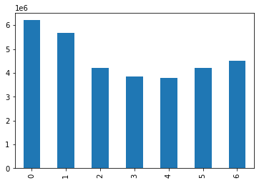
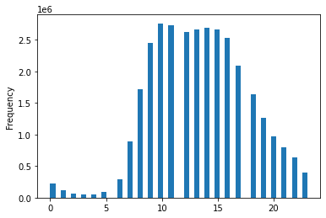

0= Saturday
1= Sunday
2= Monday
3= Tuesday
4= Wednesday
5= Thursday
6= Friday
O
r
d
ers

A. The busiest days of the week are Saturday, Sunday, and Friday. The busiest hours of the day are 10am-11am. Number of orders start making large increases at 8am and decrease at 6pm. It would be recommend to schedule ads on days that have lower sales like Wednsday and Thursday. The orders start to drop on Wednesday and Thursday, so doing ads these days will boost sales during the week. Between 1am-5am the sales are very low, most likely because people are sleeping, and then at 7am it starts to come up. At night between 6pm-12pm the orders also decrease. Ads should play during the hours of 7am-8am (as people are getting ready for the day) and 6pm-11pm (people are winding down and relaxing). Running hours during out of the peak hours can increase sales during those times and not getting more people during the peak hours and potentially having issues with the system due to volume of people on the app at the same time.
Days of Week
Hour of Day

2. Is there a particular times of the day when people spend the most money, as this might inform the type of products they advertise at these times.
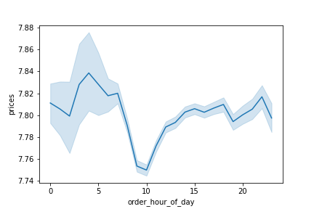
Price per hour

A. Customers spend more money on orders in the early mornings (1am-6am) and drop with the lowest being spent at 10am. The starts to increase in sales until 11pm with a few slight dips. After 11pm the price's spent on orders decreases until 1am.
3. Are there certain types of products that are more popular than others? The marketing
and sales teams want to know which departments have the highest frequency of product orders.
Orders by Departments and Age
Orders by Department and Household size
Orders by Department and Customer Loyalty

Orders by Department and Region
A: We can tell no matter the top 5 product that sell the most are unchanged. The top 5 products remain to be produce, milk eggs, snacks, beverages, and frozen. You could run special offeres on these items to gain more people to shop these categories for more activity.

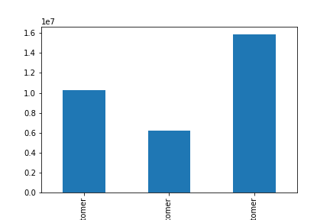
4a. What’s the distribution among users in regards to their brand loyalty (i.e., how often do they return to Instacart)?
Orders by Customer Loyality
Loyal= >40 orders with 30% of orders
Regular= 11-40 orders with 51% orders
New=<10 orders with 16% orders
A. Regular customers make the most orders. To try to increase the Regular customer number we can take the Loyal customers and give them insentives to become Regular customers. Insentives could be anything from a rewards program where they purchase a certain dollar amount in a month and they get a certain dollar amount off their next order.

Number
of Orders

Loyal New Regular
Customer Customer Customer

4b. What’s the distribution among users in regards to their customer loyalty.

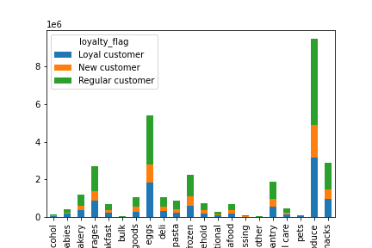
Orders by Department and Customer Loyalty

Loyal= >40 orders with 30% of orders
Regular= 11-40 orders with 51% orders
New=<10 orders with 16% orders

A. The regular customers have the most orders. With them ordering produce, milk and eggs, snacks, beverages, and frozen being the top 5 of the regular customers.
number
of orders

4c. Are there differences in ordering habits based on a customer’s region?
.
Departments
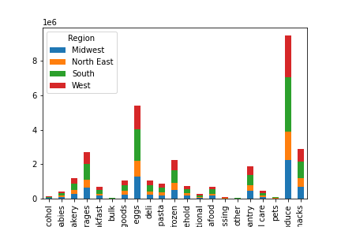
Orders by Department and Region

Orders

A. The Southern regions order more than other regions. With the West, Midwest, and North East in the following order. Reflect and see if advertizing is higher in the Southern regions than the North East. Advertising more or if it is a delievery issue, promote to delivers more.

Departments

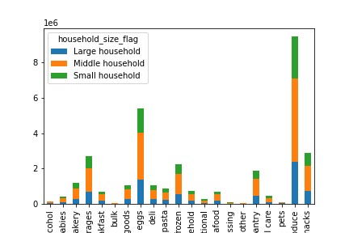
Orders by Department and Household
4d. Is there a connection between age and family status in terms of ordering habits?
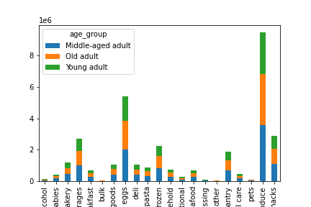
Orders by Department and Age

Orders

Orders
Yound adult: <35 years
Middle-age: 35-65
Old Adult: 65+

Small = 0 dependants
Middle = 1-2 dependant
Large=3 or more dependants

Departments

Departments

A. Most orders are done by people in the middle age group and families that are in the middle class household.

4e. What different classifications does the demographic information suggest? Age? Income? Certain types of goods? Family status?

Orders by Age
Orders my Marital Status
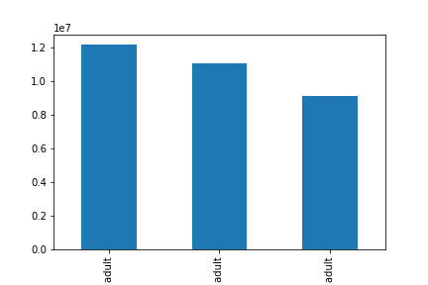
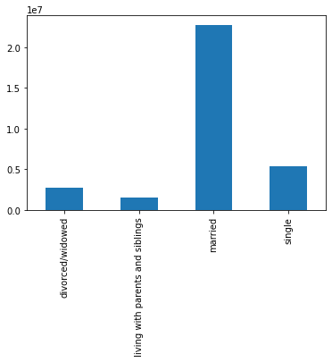

Yound adult: <35 years
Middle-age: 35-65
Old Adult: 65+

Orders

Orders

Middle Age Adult Old Adult Young Adult

Orders by Goods and Family Status
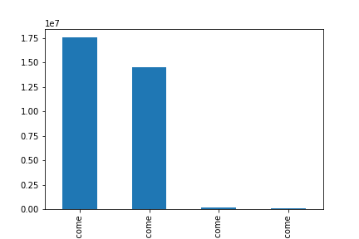
Order by Income

Small = 0 dependants
Middle = 1-2 dependant
Large=3 or more dependants

Orders

Orders

Low income=less than 100,000
Middle income=100,000 - 200,000
Upper middle income = 200,000 - 400,000
High income >400,000

Low Middle Upper High
Income Income Middle Income
Income

Types of Goods

A. Low income, middle households, married people are ordering the most often. With top purchases being produce, milk eggs, snacks, beverages, and frozen.

4f. Consider the price of orders, the frequency of orders, the products customers are ordering.
Marital Status with Frequency of Orders

Age to Income Comparison

Income

Customer Loyality to Frequency of Orders
Price and Frequency of Orders

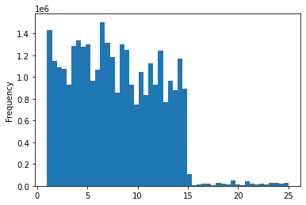

Orders

Price

Departments

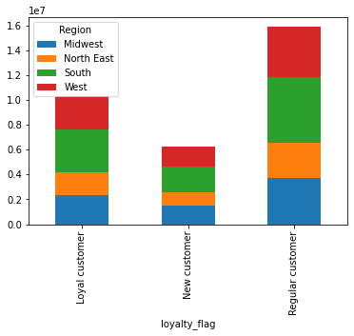
Loyalty by Region
A. What we can see is that the regular customers mostly consist of the middle age people who are buying lower priced items more frequently. They are order produce, milk eggs, snacks, beverages, and frozen items most often. We can also see a large number of our regular customers live in the Southern states. What we can do to increase other regions to have a higher regular customer population is to advertise more. For example the West is close behing with regular customer numbers, then Midwest, and North Eastern regions.

Orders

